134
original_image | 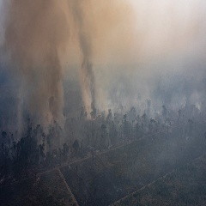
red_fire_region
areas_burnt
yellow_fire
smoke_region
orange_fire_region

